VA Screenshots
1. Weak encryption algorithms configured for SSH

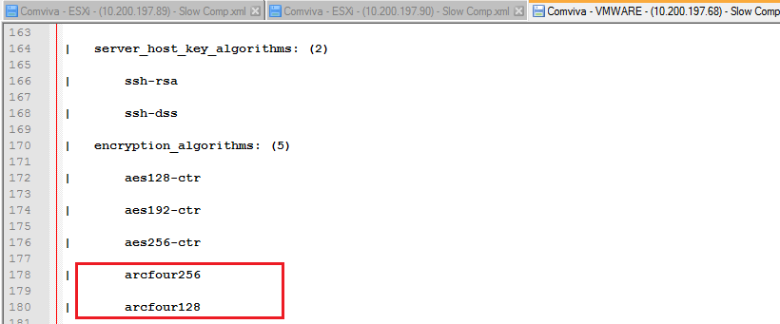

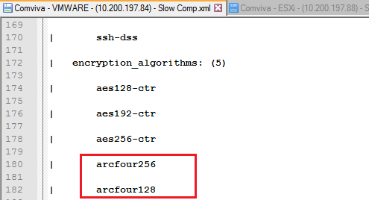

2. Weak MAC based algorithms enabled in SSH
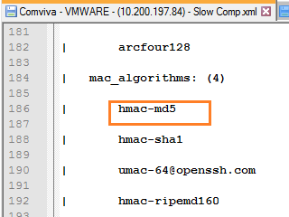

3. SSH Server CBC Mode Ciphers Enabled

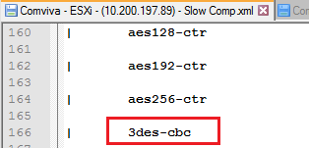
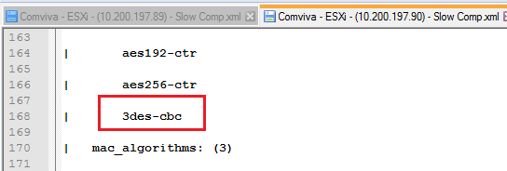

Application MBSS
S# | Application MBSS | Activities | Validation Date | Comviva Comments 18-05-17 | KOL-esxi 01 | KOL-esxi 02 | KOL-esxi 03
1 | Password | Minimum password length must be 8 characters | 2016-08-10 | Done
 |  | Maximum password age (password expiry) - 30 days | 2016-08-10 | Done We are using all the default Esxi users and all the default user are set to no login except root and this password expiry policy can't be implemented on root
 |  | Password history - Last 5 passwords | 2016-08-10 | NA | N/A(It is strictly recommanded from vm ware that do't use any local user apart from root user and use only root user for all communication.) | N/A(It is strictly recommanded from vm ware that do't use any local user apart from root user and use only root user for all communication.) | N/A(It is strictly recommanded from vm ware that do't use any local user apart from root user and use only root user for all communication.)
 |  | Null passwords must not be allowed for any account | 2016-08-10 | Done Only root user avialable
 |  | Account lockout (in case of incorrect password attempts) - 5 attempts | 2016-08-10 | Done
 |  | Default passwords provided by vendors must be changed | 2016-08-10 | (For ESXi the Password is set during the installation of ESXi host. This password can be set initially as per Mahindra Comviva requirement. Or can be reset later as per the steps from the below article: https://kb.vmware.com/kb/1004659
 |  | Password complicacy (combination of alphabets/numbers/special characters) | 2016-08-10 | Done | 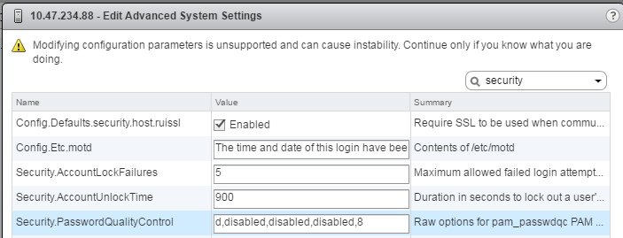 | 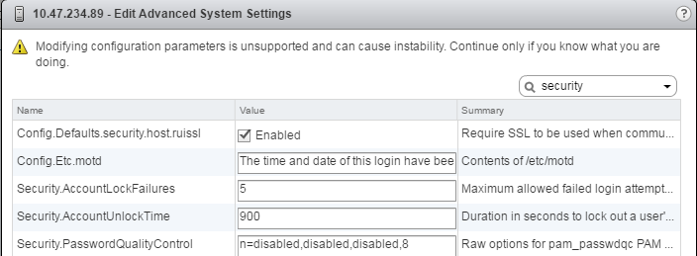 | 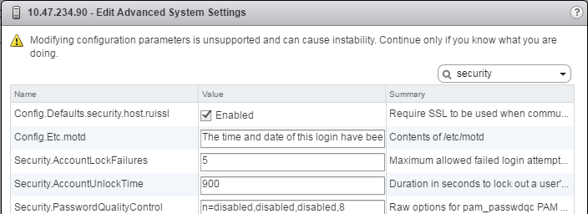
 |  | All the passwords must be stored and transported in an encrypted form | 2016-08-10 | Done
 |  | The system must be configured to force the users to change the initial password immediately after the first logon | 2016-08-10 | N/A (As per Vmware No such option is available for ESXi local/root users.)
2 | User Accounts Management | Only a select group of authorized users must have an access of adding/KOLeting/modifying existing users | 2016-08-10 | Done
 |  | Concurrent logins using the same user ID must not be allowed | 2016-08-10 | N/A (No Option available to prevent concurrent local/root user login to ESXi hosts) | N/A | N/A | N/A
 |  | Guest accounts must have restricted access and if not used, must be disabled | 2016-08-10 | There is no guest account in the system
 |  | Default names which are assigned to the built-in Admin account (e.g Administrator, admin, netadmin etc) must be renamed to uniquely identifiable user-name | 2016-08-10 | There is no admin and administartor user
 |  | User IDs that are inactive for more than a pre-defined time period must be disabled | 2016-08-10 | N/A (Based on Vmware recommendation do not create local ESXi users. The root user will never be enabled.) | N/A | N/A | N/A
 |  | A systemwide nomenclature must be used to identify User IDs | 2016-08-10 | N/A (Nomenclature for local users can be decided however avoid creating any local ESXi users as per Vmware recommendation.) | N/A | N/A | N/A
 |  | All test and development IDs must be removed from the system if not needed anymore | 2016-08-10 | No such user present in the system
3 | Log Management | Logging must be enabled to ensure that important system messages and diagnostic information is recorded | 2016-08-10 | Done Loggings enabled by default
 |  | Audit logs must be stored on a centralized server | 2016-08-10 | Done | 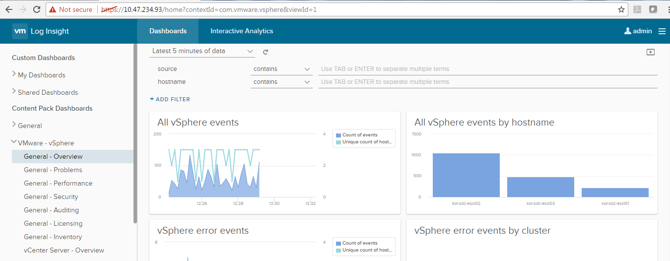
 |  | The system must be configured to retain the logs for the specified period of time | 2016-08-10 | Done As per default vmware setting logs are preserved based on number of log files and rotated based on the size of the log file. Both number and size can be increased. | 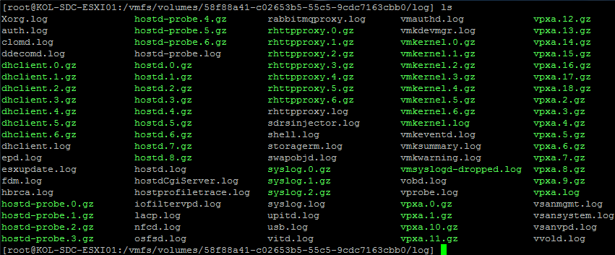 | 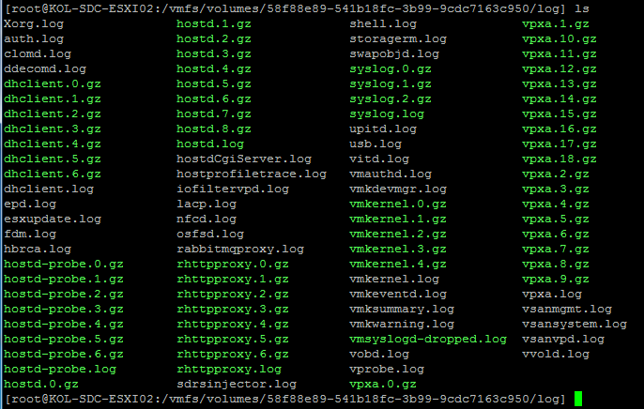 | 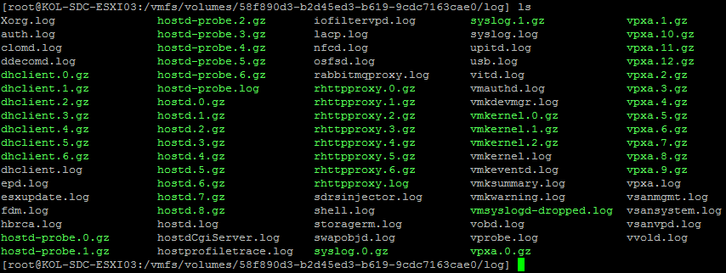
 |  | The permissions to add/remove/modify the files from the log folder should be restricted to authorized users | 2016-08-10 | Done
 |  | The events and the degree of detail that the logs must capture should be configured to include the following system actions: - User logon events - Security events - Failed events | 2016-08-10 | Done | 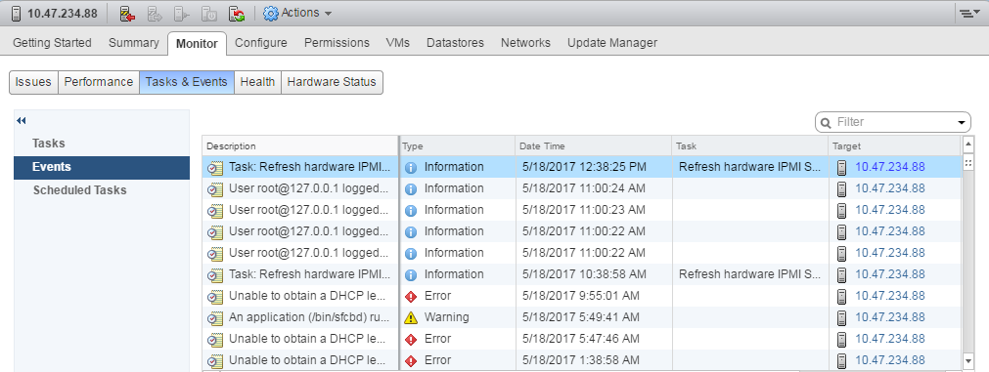 | 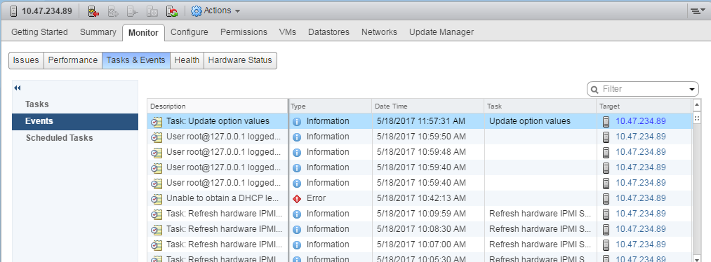 | 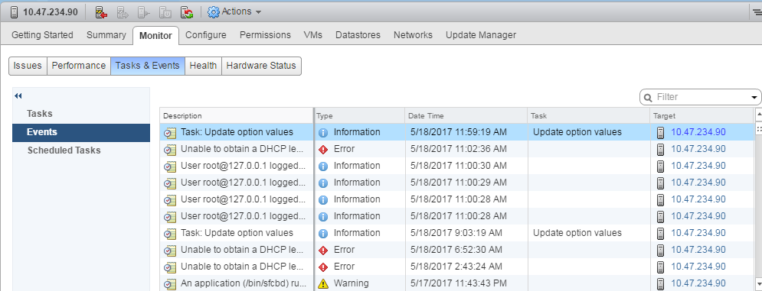
 |  | The events and the degree of detail that the logs must capture should be configured to include the following system actions: - Object access - Commands execution | 2016-08-10 | Done | 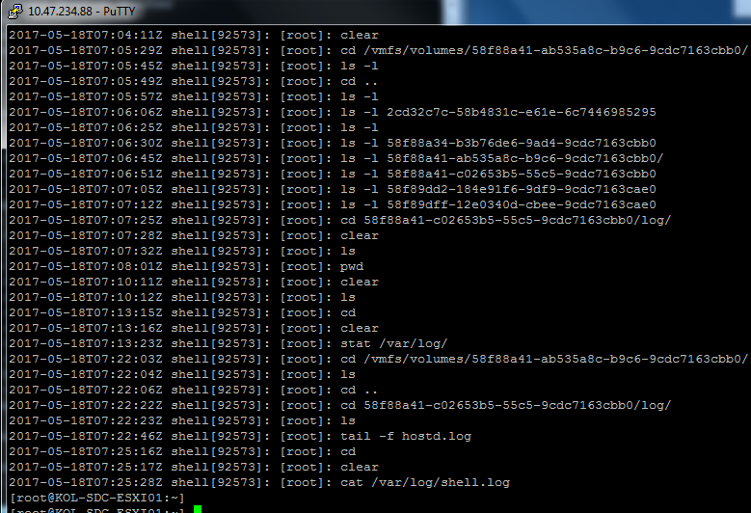 | 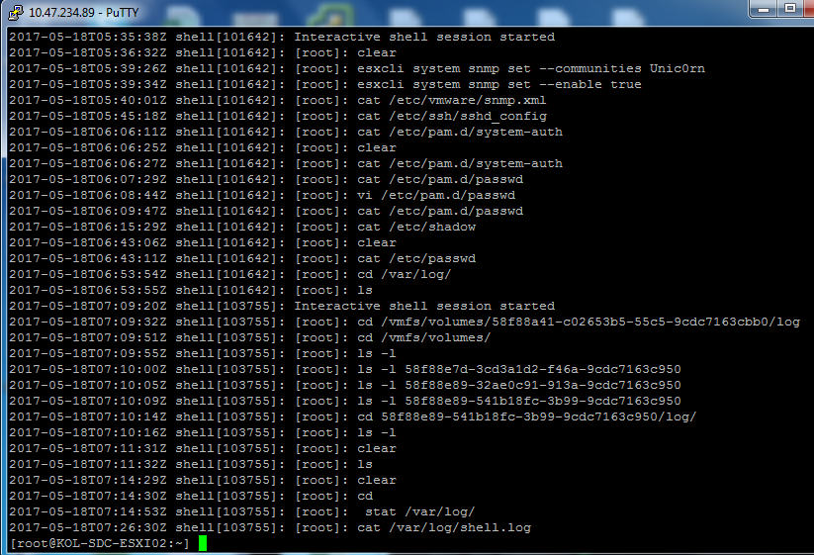 | 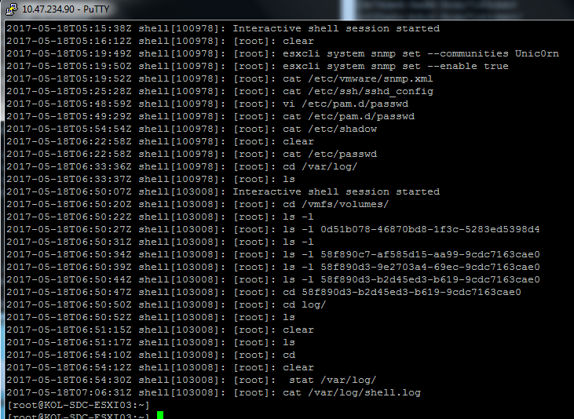
 |  | The contents of the log files must be in an encrypted format. | 2016-08-10 | N/A | N/A | N/A | N/A
4 | System Security | Only services required for operational need of the system must be enabled. All the other unwanted services must be disabled | 2016-08-10 | Done currently running services from the screen shots are required for normal op | 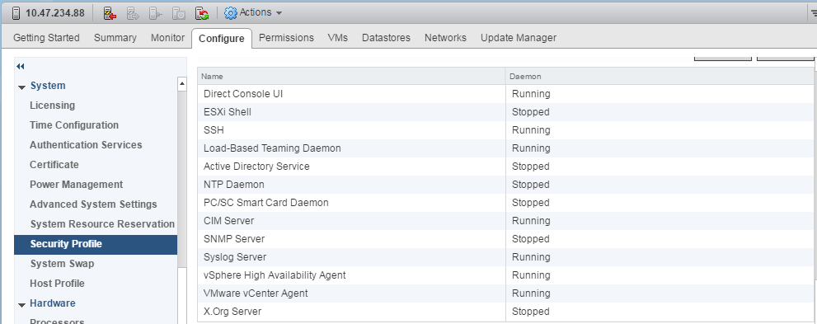 | 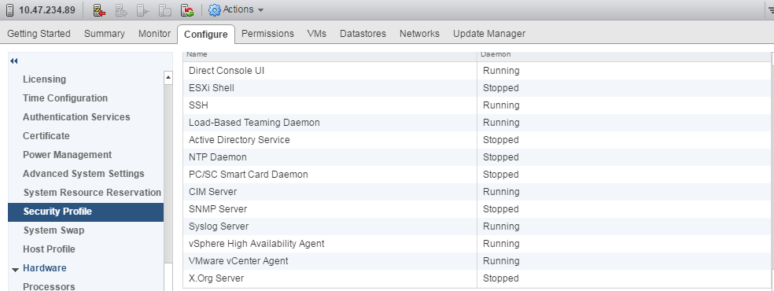 | 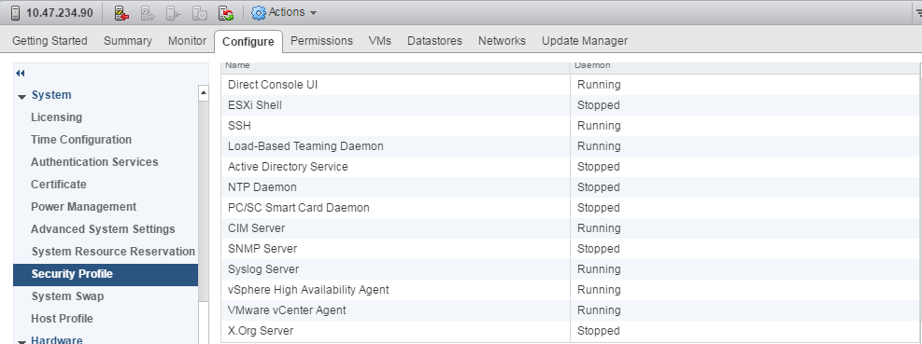
 |  | IP address been allocated (reserved), assigned and documented in the appropriate IP management system | 2016-08-10 | done This was decided at Solution time | 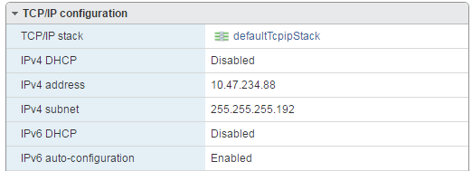 | 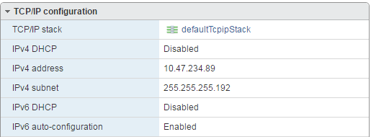 | 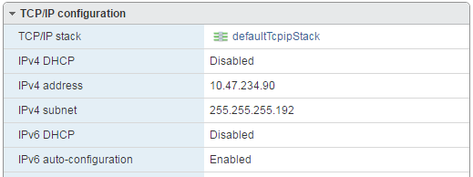
 |  | Unencrypted and clear text services (like FTP, NNTP etc) should be disabled. | 2016-08-10 | Done No such services are running | 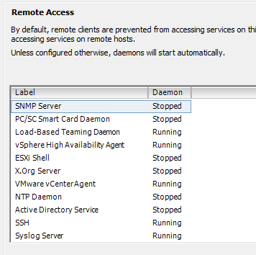 | 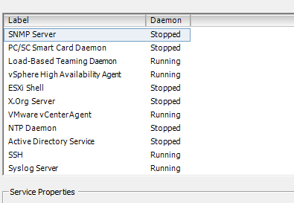 | 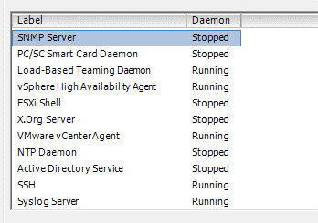
 |  | Secure channels (like SSH, SFTP etc) must be used in place of unencrypted services | 2016-08-10 | Done | 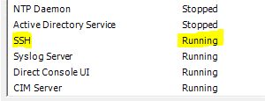
 |  | Remote access using Telnet/VNC must not be allowed. Secured protocols like SSH/RDP should be used instead. | 2016-08-10 | Done
 |  | Backup of system configurations must be taken on a periodic basis | 2016-08-10 | Done it is a one time process ,same process should be followed if any configuration changes will be made in future .
 |  | The attributes for CFG and INI files must be set to hidden | 2016-08-10 | Not Applicable to ESXi host
 |  | The system must be configured to drop packets originating from Unauthorized sources | 2016-08-10 | unauthorised access can't be prevented on esxi level and has to be defined on firewall level
 |  | Response to ping queries must be disabled | 2016-08-10 | ping drop can't be prevented on esxi level and has to be defined on firewall level
 |  | Access to the terminal should be restricted to an IP address/range of IP addresses. | 2016-08-10 | Done | 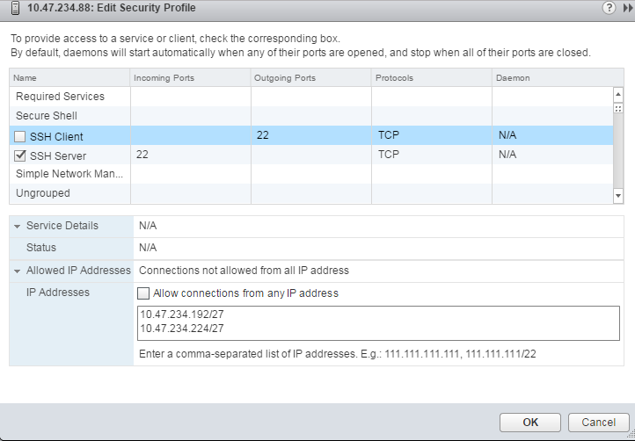 | 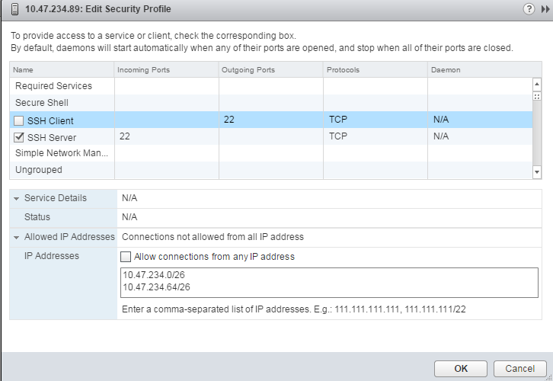 | 